IFMA Chapter BSC Report
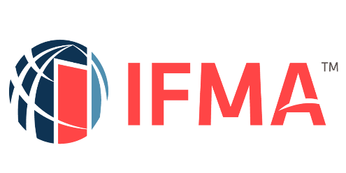

 |  |  |  |  |  |  |  | <CHAPTER NAME> Balanced Scorecard Report: FY2023

 | IFMA Vision Statement: Lead the Future of the Built Environment to Make the World a Better Place

 | <CHAPTER NAME> <Mission Statement Here>

 |  |  | IFMA Strategic Themes

 | STRATEGIC OBJECTIVES | KEY PERFORMANCE INDICATORS (MEASURES) |  | STATUS |  |  |  | FINAL
 |  |  |  | Q3 2022 | Q4 2022 | Q1 2023 | Q2 2023 | FY2023 ACTUAL
FINANCIAL PERSPECTIVE

STAKEHOLDER VALUE

INTERNAL PERSPECTIVE

ORGANIZATION CAPACITY

